Sheet1
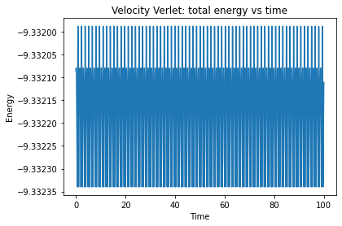
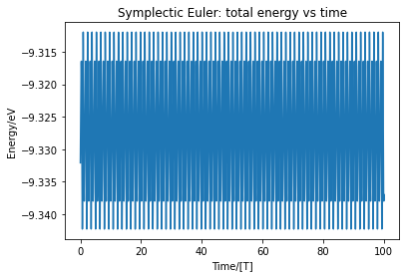
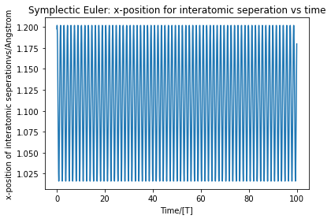
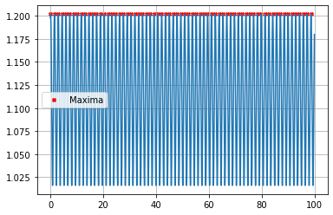
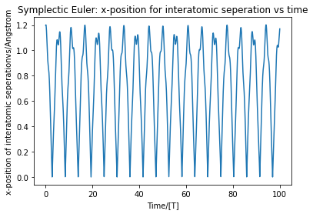
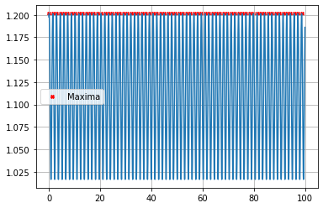
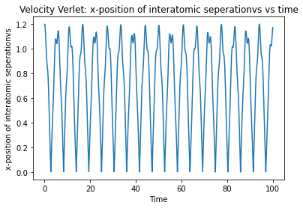
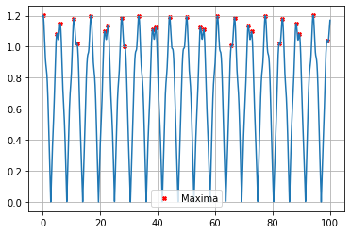
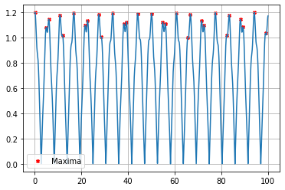
energy inaccuracy versus dt for Verlet
 | dt | numstep | energy inacc | fre inacc
 | 0.00001 | 1000000 | -0.083897 | -2.53E-05 | 0.007
 | 0.0001 | 100000 | -0.083897 | -1.57E-04
 | 0.01 | 10000 | -0.083886 | 9.57E-04
 | 0.01 | 1000 | -0.082819 | 2.11E-04
 | 0.1 | 100 | -0.119018 | 8.11E-03

Vibration | wavenumber | energy inacc
euler | 2256.946251282163cm^-1 | -0.0032450121883
velocity | 2257.4039104631997cm^-1 | -0.00017141550554

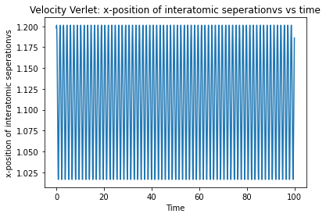
Spin | wavenumber | energy inacc
euler | 926.8879217725537cm^-1 | -0.0023397803065
velocity | 927.0753801448407cm^-1 | -2.28E-05

